Optimise space
CE action name | Optimise the use of space in non-residential buildings |  |  |  |  | CE action name | Optimise the use of space in residential buildings
Description | Increase the number of persons in a working space and increase the utilisation rate. |  |  |  |  | Description | Optimising the use of living space by reducing the amount of floor area per person, which in turn reduces the volume of building materials used per building to house each inhabitant.

Scope |  |  |  |  |  | Scope
Sector | Commercial building sector | Activities | Use of space in office buildings | Reference product type | Office buildings | Sector | Residential building sector | Activities | Use of space for living | Reference product type | Residential buildings

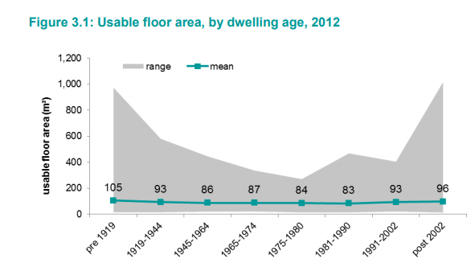
Baseline |  |  |  |  |  | Baseline
Reference situation | One worker per 10,9 m2 net internal area (NIA) (Based on UK data) (source: M. Bedford et al., “Occupier Density Study 2013”, 2013). Average floor space per capita in offices in Eastern EU is 8m2; 15m2 in Central & North EU; 9m2 in Southern EU., BPIE (2011, Europe's buildings under the microscope, p29) |  |  |  |  | Reference situation | Average floor area per person in Europe: 43 m2 https://ec.europa.eu/energy/en/content/housing-space-person

Current CE action trends | Currently the trend of open plan and shared office is common due to the efficiency of workers per m2. |  |  |  |  | Current CE action trends | Currently no trend regarding minimising floor area per person (English Housing Survey, Ministry of Housing, Communities & Local Goverment, 2018)

Impacts of the CE action |  |  |  |  |  | Impacts of the CE action
 | Description |  |  | Sources |  |  | Description |  |  | Sources
Activity levels | This article suggest an optimised space utilization for workplaces to be: one workplace per 7 m2 NIA. This gives the following optimisations: UK (10,9 m2) = optimisation by 36 % Eastern EU (8 m2) = optimisation by 13 % Central & North EU (15 m2) = optimisation by 53 % Southern EU (9 m2) = optimisation by 22 % |  |  | M. Bedford et al., 2013. |  | Activity levels | The German study ‘Resource efficient pathways towards Greenhouse-Gas-Neutrality-RESCUE’ assumes a decrease in living space from 46.2 to 41.2 m² floor space per inhabitant in Germany from 2030 to 2050, a reduction of 11%. This value was used in modelling in the high ambition scenario. |  |  | K. Purr, et al., (2019)
Denmark - Average area per person (m2) - Multi-residential (Statistics Denmark)
2010 | 45.5
2011 | 45.3
2012 | 45.1
2013 | 44.9
2014 | 44.7
2015 | 44.5
2016 | 44.2
2017 | 44
2018 | 44.1
2019 | 44.2
 | The initial embodied carbon (from production and construction) of office buildings ranges between 281 and 518 kgCO2e/m2 - average at 400 kgCO2e/m2. |  |  | K. Simonen, B. X. Rodriguez, and C. De Wolf, 2018. |  |  | If the average floor space in Europe is 43m2 per capita a decrease to 41.2 m2 will result in a reduction of 4% |  |  | https://ec.europa.eu/energy/en/content/housing-space-person
Influence of geographical differences on impact | Both current utilization of office space and potential optimisation is depending on the member states |  |  |  |  | Influence of geographical differences on impact | Large discrepancy among member states regarding the average space per person in residential buildings. Optimum space standards also differ from country-to-country.
Rebound effect | No direct rebound effect have been identified for this action. |  |  |  |  | Rebound effect | No direct rebound effect have been identified for this action.
Feasibility |  |  |  |  |  | Feasibility
 | Description |  |  |  |  |  | Description
Technical, economic and social feasibility | Technically feasible, with important social/cultural implications the more space is reduced per person through e.g. space sharing. It is to be expected that increasing density will level out at some point, as e.g. personal comfort will be a limiting factor. |  |  |  |  | Technical, economic and social feasibility | Technically feasible, but with social, economic and cultural implications.

Applicability of the CE action |  |  |  |  |  | Applicability of the CE action
Applicable share of the types of products, materials or processes | The action is applicable where working space per capita is high and could be reduced without creating a risk for workers. Offices make up 23% of the total non-residential floor area in Europe. BPIE Survey and Entra NZE. (Bogdan Atanasiu et al., 2011) |  |  |  |  | Applicable share of the types of products, materials or processes | The CE action is applicable for all residential buildings in Europe.

 |  |  |  |  |  |  |  |  | 4%

